Post ELP Blister Activity
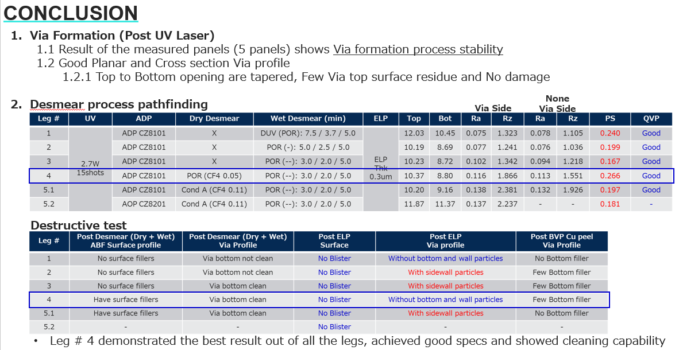
Back to activity flow
Project Name | Project Owner | Test purpose | Tool | Location | DOE # | DOE Details | DOE Legs | Legs | Material |  |  | BF Curing temp | Plasma (Dry Desmear) Details |  | Result | Overall Findings
 |  |  |  |  |  |  |  |  | CCL W/ Pattern | ABF Mat | Final Thickness |  | Condition | Jig Loading
Post ELP Blister Activity | Joanne Chan / YC Deng / Aldwin Ella / Shan Jiang | Develop a solution on the result of Post ELP Blister activity | Nordson March | CHQ2 Tool | 1 | Plasma treatment chemistry and condition search | 4 | 1 | Without | GXT62 | 10um | POR | O2:N2:CF4 | Random | Best Condition found based on QC items is O2 + N2 + CF4 | The problem is with the treatment uniformity of the Nordson March tool Can have a good result but with higher cost, since need to load at complete the slot loading Slot 13 - Dummy Slot 7 - Dummy Slot 4 - Dummy Slot 1 - Actual Panel Loading Condition: O2 + N2 + CF4 (2x CF4 Duration) (2x CF4 Flow rate) *Best since it has flow rate is only 2x, more cost effective
 |  |  |  |  |  |  |  | 2 | Without | GXT62 | 10um | POR | O2:N2:CF4:Ar | Random
 |  |  |  |  |  |  |  | 3 | Without | GXT62 | 10um | POR | N2:Ar | Random
 |  |  |  |  |  |  |  | 4 | Without | GXT62 | 10um | POR | O2 | Random
 |  |  |  |  | 2.1 | To Determine if the ABF Thickness and CCL status (With or Without pattern) has effect on the Plasma (Dry Desmear) post ELP blister result | 3 | 1 | Without | GXT62 | 10um | POR | O2:N2:CF4 | Random | ABF thickness does not affect the occurrence of blister
 |  |  |  |  |  |  |  | 2 | With | GXT62 | 10um | POR | O2:N2:CF4 | Random
 |  |  |  |  |  |  |  | 3 | With | GXT62 | 15um | POR | O2:N2:CF4 | Random
 |  |  |  |  | 2.2 | The determine if there is a correlation between the ABF Curing temperature and post ELP blister 1. Possible Low BF Cure temperature 2. Solvent is trapped by the PET film in the panel's edge (Remark: remove one side PET during plasma) | 6 | 1 | Without | GXT62 | 10um | POR | O2:N2:CF4 | Random | The best result was found using POR+ BF Curing temperature With PET or without PET film does not affect occurrence of Blister
 |  |  |  |  |  |  |  | 2 | Without | GXT62 | 10um | POR + | O2:N2:CF4 | Random
 |  |  |  |  |  |  |  | 3 | Without | GXT62 | 10um | POR ++ | O2:N2:CF4 | Random
 |  |  |  |  |  |  |  | 4 | With | GXT62 | 10um | POR | O2:N2:CF4 | Random
 |  |  |  |  |  |  |  | 5 | With | GXT62 | 10um | POR + | O2:N2:CF4 | Random
 |  |  |  |  |  |  |  | 6 | With | GXT62 | 10um | POR ++ | O2:N2:CF4 | Random
 |  |  |  |  | 2.3 | To Determine if the Post ELP blister is correlated with ABF type | 2 | 1 | Without | GL107 | 10um | POR | O2:N2:CF4 | Random | Different ABF material still encountered Blister
 |  |  |  |  |  |  |  | 2 | With | GL107 | 10um | POR | O2:N2:CF4 | Random
 |  |  |  |  | 3 | Discussed with Ajinomoto and comment 1. ATS Plasma condition is weak 2. Batch Type Plasma treatment is not that good | 3 | 1 | With | GXT62 | 10um | POR+ | O2 + N2 + CF4 | Used Slot #13, #7 and # 4 | Slot # 4 for 2x CF4 flow rate did not encounter blister Slot # 7 for 3x CF4 flow rate encountered few blisters but it was noticed during unloading that the panel was slanted (Possible cause of blister)
 |  |  |  |  |  |  |  | 2 | With | GXT62 | 10um | POR+ | O2 + N2 + CF4 (2x CF4 Duration) (2x CF4 Flow rate) | Used Slot #13, #7 and # 4
 |  |  |  |  |  |  |  | 3 | With | GXT62 | 10um | POR+ | O2 + N2 + CF4 (2x CF4 Duration) (3x CF4 Flow rate) | Used Slot #13, #7 and # 4
 |  |  |  |  | 4 | Validation of result from DOE # 3 using Actual dummy panels using EFB setting and process flow | 4 | 1 | With | GXT62 | 10um | POR+ | O2 + N2 + CF4 (2x CF4 Duration) (2x CF4 Flow rate) | Used Slot #13, #7 # 4, #1 | 2x CF4 flow rate and 3x CF4 flow rate did not encounter blister at Slot # 1
 |  |  |  |  |  |  |  | 2 | With | GXT62 | 10um | POR+ | O2 + N2 + CF4 (2x CF4 Duration) (3x CF4 Flow rate) | Used Slot #13, #7, #4 and #1

